Sheet1
Api rate limiter

type of throttling
Requirement
Capacity Estimation and Constraints
different type of rate limit
rate limit by userId or IP
how we do rate limiting ?
when user cross from limited rate , we send error 429 (too many requests)
data sharding

functional
non-functional
hard
user is blocked after crossing limit
soft
defined resource + 10% additional
elastic or dynamic
number of requests can go beyond if other servers has any resources
- limit the number of requests where an entity can send to an API
- user should get error message whenever the threshold is crossed
fixed window
rolling window
consistent hashing
hash-based partitioning
write-back cache
1- high uptime (availability)
2- highly reliable
3- min latency (up to 200ms)
examples
by userId :
problem with anonymous user who send request as a defined user
by ip :
problem when users use same ISP or in public places
by userId + ip :
the best choice

- 2 factor auth
- prevent dos attack / brute force
- limit transactions or request done by user
- make private credits for download site (revenue)
- to keep cost and usage under control
time segments defined regardless of [last] requests
segment end after last allowed request

use hashtable (keyValue db)
key : userId
value : user request number , requestTime

use redis hash

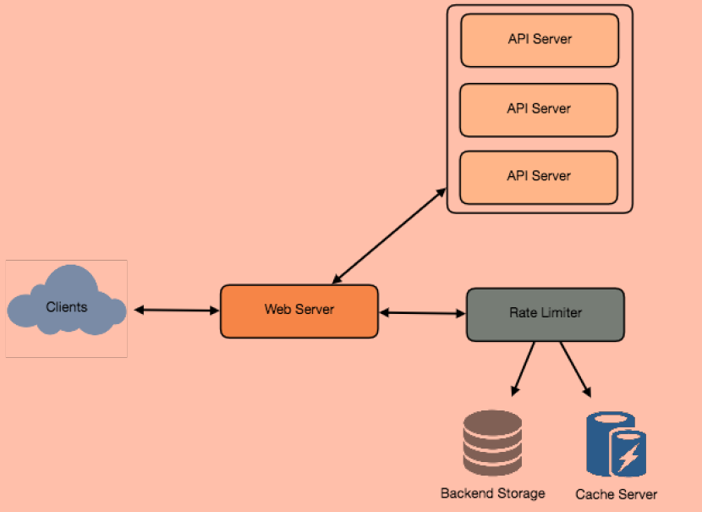

seperate read and write requests make db and operations scalability easier

